Indoor Bin Count Worksheet
Recycling, Organics, and Garbage Bin Inventory Worksheet
NOTE: Many styles and sizes of containers for recycling, organics, and garbage are available. Only a few typical sizes and types are listed.

For more guidance on indoor bin planning and placement, refer to the Indoor Bin Guide at:
www.stopwaste.org/rules-indoor-bin-guide-worksheet

 | Recycling Bins |  |  |  |  |  |  |  | Organics Bins |  |  |  |  |  |  |  |  |  |  |  |  |  | Garbage Bins
TYPICAL SIZES/CAPACITIES: | Small Bin |  | Medium Bin |  | Slim Bin |  | Other |  | Side Bin with Lid |  | Compost Carrier |  | Small Bin |  | Medium Bin |  | Slim Bin |  | Brute Bin |  | Other |  | Small Bin |  | Side Bin |  | Slim Bin |  | Other
 | (28-qts/7-gals, 15" high) |  | (41-qts/10-gals, 20" high) |  | (23-gals, 30" high) |  |  |  | (0.75 gal, 7"x5"x6") |  | (1.5 gals, 8.5”x 9”x 8”) |  | (28-qts/7-gals, 15" high) |  | (41-qts/10-gals, 20" high) |  | (23-gals, 30" high) |  | (30-gals, 28" high) |  |  |  | (28-qts/7-gals, 15" high) |  | (10"x7"x10", 1-gal) |  | (23-gals, 30" high)
EXAMPLE PHOTOS: | 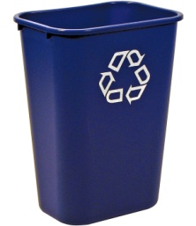 |  |  |  | 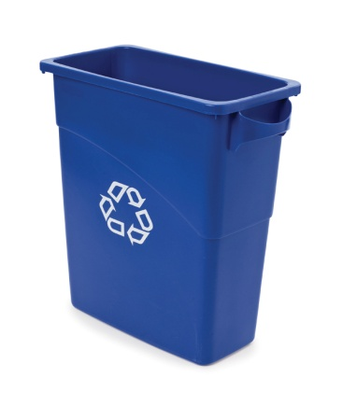 |  |  |  | 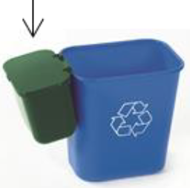 |  |  |  |  |  | 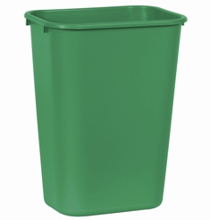 |  | 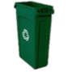 |  | 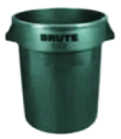 |  |  |  | 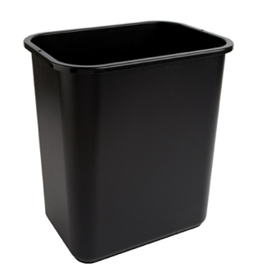 |  | 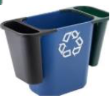 |  | 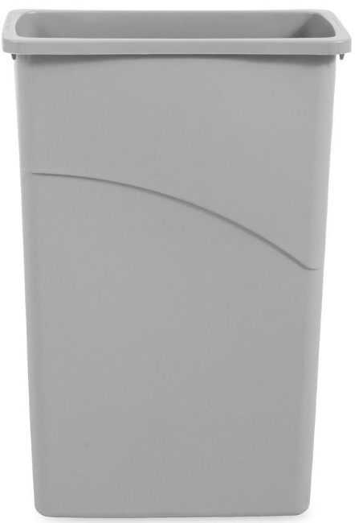
TYPICAL USES | Deskside for individual work stations |  | Smaller copier areas, central recycling stations, conference rooms, kitchens |  | Smaller copier areas, central recycling stations, conference rooms, kitchens |  |  |  | Caddy/side saddle for deskside organics; stands alone or hangs from side of recycling bin |  | Very small kitchens or individual use |  | Small kitchens & break rooms, central recycling stations, conference rooms |  | Medium kitchens & break rooms, central recycling stations, conference rooms, catered events |  | Medium-large kitchens & break rooms, central recycling stations, conference rooms, catered events |  | Large kitchens & break rooms, central recycling stations, conference rooms, catered events |  |  |  | Deskside for individual work stations, central recycling stations |  | Caddy/side saddle for deskside garbage; stands alone or hangs from side of recycling bin |  | Medium-large kitchens & break rooms, central recycling stations, conference rooms, catered events
Location (e.g. kitchen areas, bus stations, break rooms, offices,customer serving areas, etc.) | Already Have | Need | Already Have | Need | Already Have | Need | Already Have | Need | Already Have | Need | Already Have | Need | Already Have | Need | Already Have | Need | Already Have | Need | Already Have | Need | Already Have | Need | Already Have | Need | Already Have | Need | Already Have | Need | Already Have | Need

TOTAL BINS | 0 | 0 | 0 | 0 | 0 | 0 | 0 | 0 | 0 | 0 | 0 | 0 | 0 | 0 | 0 | 0 | 0 | 0 | 0 | 0 | 0 | 0 | 0 | 0 | 0 | 0 | 0 | 0 | 0 | 0
Total signs needed (one per bin) | 0 |  |  |  |  |  |  |  | 0 |  |  |  |  |  |  |  |  |  |  |  |  |  | 0
Total Stickers Needed (two per bin) | 0 |  |  |  |  |  |  |  | 0 |  |  |  |  |  |  |  |  |  |  |  |  |  | 0

